Detailed Forecast Instructions
Detailed Instructions

Forecast Worksheet

1. Download the BSM Forecast tool and save the file. For instruction purposes, we will assume you named it Forecast Tool.

2. Export your company's operating statement (A.K.A. profit & loss or income statement) into the saved Forecast Tool.

If using QuickBooks, below is a picture of the pop-up box you'll see after choosing to export the report to Excel. Select ‘in existing workbook’ and select 'browse' to find the downloaded
Forecast Tool file. Then select ‘Export’ and the file will download into your saved Forecast Tool.
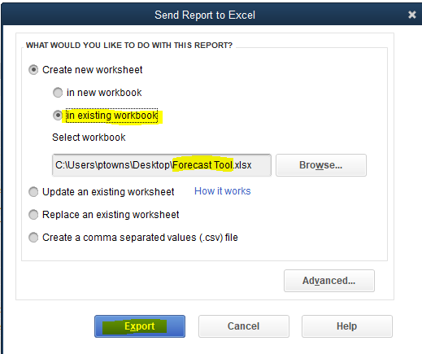

3. Once exported into the Forecast Tool you will see the tab default name ‘Sheet#’, we suggest renaming it to ‘Forecast – Raw Data.’ The data you exported into this tab may appear similar
to the picture in step 4.

4. Delete each of the empty columns of data in-between each month by right clicking the column and selecting delete. Also delete the total column (the template is built to auto-calculate the
totals).
See the gray bar above row 1 containing letters associated with each column. Right click on the letters above each blank column as well as the total column, and select delete.

5. Highlight the line items, but not the data associated with each of the historical months, on the Forecast - Raw Data worksheet, copy, and paste into the Forecast worksheet by right clicking
on the neon blue cell.
Step 2 (within the Forecast worksheet)
Step 1 (within the Forecast - Raw Data worksheet)
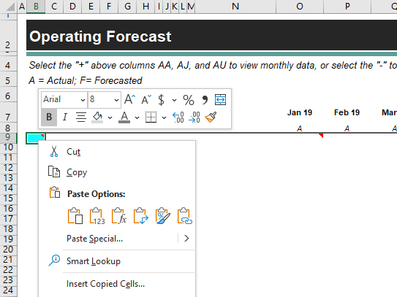

6. Copy and paste the Jan-Dec 2019 dollar amounts from the Operating Forecast - Raw Data worksheet into the Operating Forecast worksheet. Make sure that the line items are aligned
properly with their associated dollar amounts. The total and monthly average will be automatically calculated for you.
Step 1 (within the Forecast - Raw Data worksheet)


Step 2 (within the Forecast worksheet)
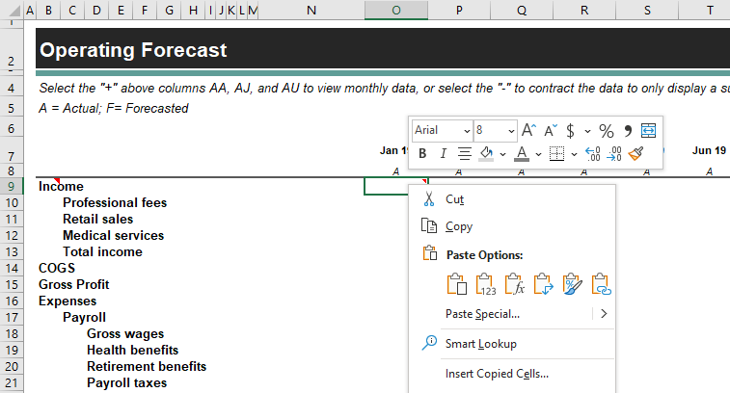

7. Copy and paste the Jan-May 2020 dollar amounts from the Forecast - Raw Data worksheet into the Forecast worksheet. Make sure that the line items are aligned properly with their
associated dollar amounts. The total and monthly average will be automatically calculated for you.

Step 1 (within the Forecast - Raw Data worksheet)



8. Begin your forecast by projecting income. You can either (1) forecast directly on the Operating Forecast worksheet or (2) navigate to the Income Forecast worksheet where you can list
each individual and their anticipated income. If the later method is used, you can link the data from this worksheet to the Operating Forecast worksheet.

Step 2 (within the Forecast worksheet)



9. It is recommended that income is forecasted first. You can either (1) forecast directly on the Forecast worksheet or (2) navigate to the Income Forecast worksheet where you can list each
individual and their anticipated income generation.

10. Next, it is recommended that compensation is forecasted. You can either (1) forecast directly on the Forecast worksheet or (2) navigate to the Compensation Forecast worksheet where
you can list each individual and their anticipated compensation.

11. Finally, forecast the remaining line items over the forecast period. You may want to start with known values (such as rent), and then forecast other line items using a method you see fit.
As an example, you may find that COGS is historically 30% of income and advertising is 2% of income. These percentages can then be multiplied by your forecasted income to get
your forecasted COGS and advertising. In other cases, you may find that a line item remains nearly constant and can use the monthly average from the historical data on a go-forward
basis. Finally you may find that a line item will grow at a certain rate which can be applied to your forecast.

Forecasting can seem overwhelming but remember that you likely know more about your company and its ability to produce than anyone else. This process will require thought
on your practice's unique situation.

